Excel Gantt Chart Template
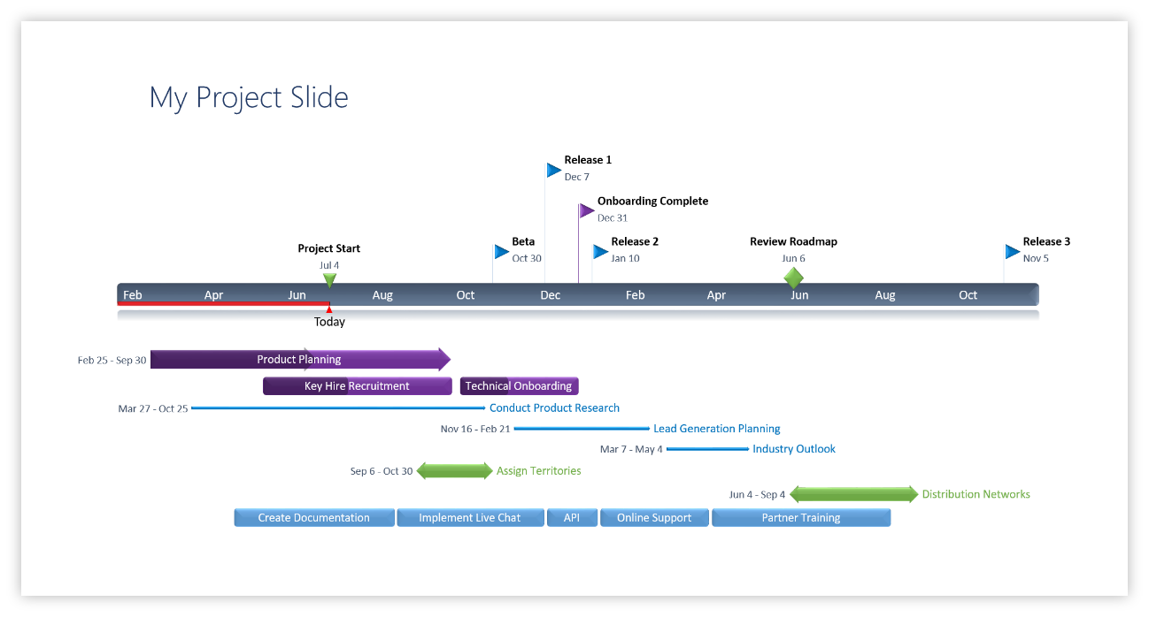
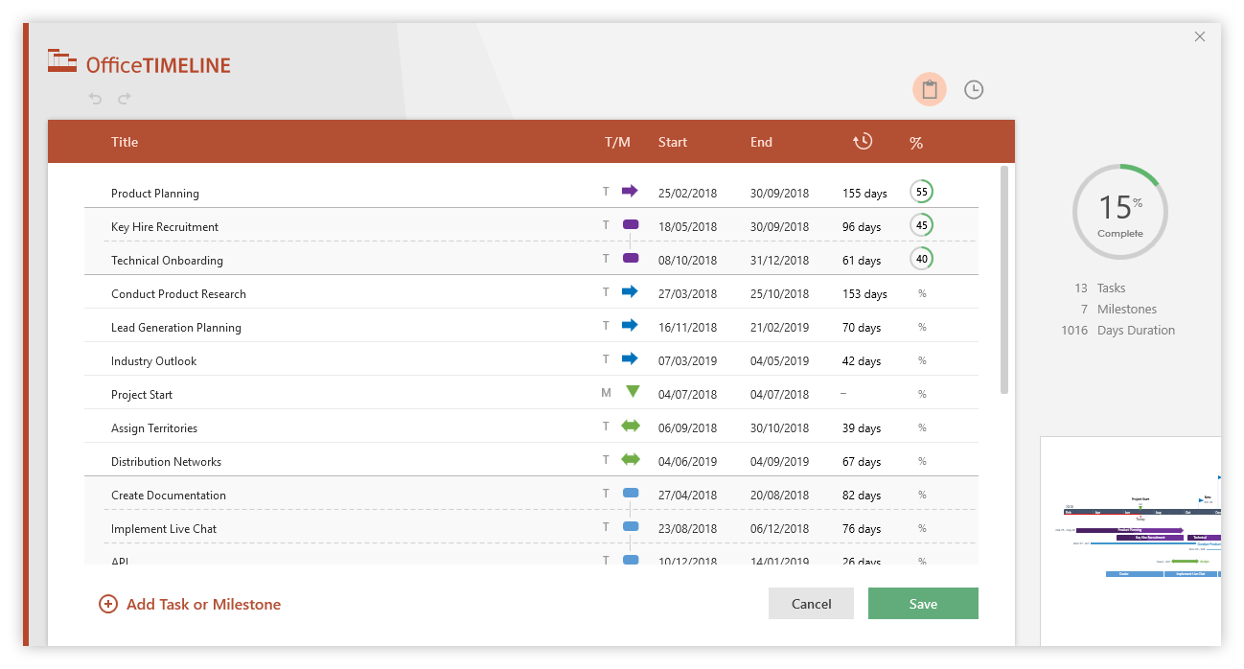
Excel Gantt Chart Template

Scrubs on FHIR |  |  | DURATION (days)
START DATE | END DATE | DESCRIPTION
1/27/19 | 4/21/19 | PM/ QA/ Designer- Jessica | 84
1/27/19 | 4/21/19 | QA / Designer- Rachael | 84
1/27/19 | 4/21/19 | Developer - Pramodith | 84
1/27/19 | 4/21/19 | Developer- Jey | 84
1/27/19 | 4/21/19 | Developer- Sumit | 84
1/27/19 | 4/21/19 | Developer- Sean | 84
2/10/19 | 2/17/19 | Deliverable 1 | 7
2/17/19 | 3/1/19 | Identify tools and languages to use in the project | 14
2/17/19 | 3/1/19 | Research | 14
2/19/19 | 2/26/19 | Gain Access to Mimic Data | 7
2/17/19 | 3/10/19 | Deliverable 2 | 23
3/10/19 | 3/20/19 | Initial User Interface Mock Up | 10
3/20/19 | 3/31/19 | First Deployment of the App | 11
3/21/19 | 3/31/19 | Debugging the App | 10
3/10/19 | 3/31/19 | Deliverable 3 | 21
3/31/19 | 4/10/19 | Final Successful Deployment of the App | 10
3/31/19 | 4/21/19 | Deliverable 4 | 21
3/31/19 | 4/21/19 | Deliverable 5 | 21

Make impressive PowerPoint Gantt charts for important meetings. |  |  |  | Instantly turn Excel data into PowerPoint slides with the Office Timeline add-in for PowerPoint.

3 Easy steps to instantly turn Excel data into a PowerPoint slide
1. Download the Free Office Timeline plug-in for PowerPoint - 14-day Trial Edition.
2. Open PowerPoint and click on NEW Timeline from the Office Timeline tab inside of
PowerPoint. Copy your Excel table and paste it into Office Timeline with the PASTE button.
3. Click the green SAVE button to instantly produce a PowerPoint Gantt chart slide.
 |  |  |  | www.officetimeline.com

